ARDELL
IMAGE | REF | PRODUCT | QTY | ONLINE LINK
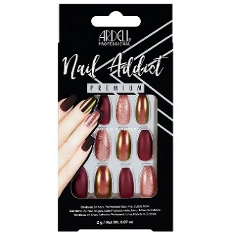 | 75890 | Nail Addict Red Cateye | 44,085 | https://www.nailpolishdirect.co.uk/nail-addict-solid-false-nails-bordeaux-28-nails-63864-p38078/s47369?utm_source=google&utm_medium=cpc&utm_term=ardell-nail-addict-solid-false-nails-bordeaux-28-nails-63864-63864&utm_campaign=product%2Blisting%2Bads&cid=GBP&glCurrency=GBP&glCountry=GB&gad_source=1&gclid=CjwKCAiAivGuBhBEEiwAWiFmYULN-S0B_BkuoTx7MgRxoG9KdxNcCC6zGPRsBWvhcYAqQT_FgUehmhoC1YIQAvD_BwE
 | 66443 | Nail Addict Modern French | 39,572 | https://www.nailpolishdirect.co.uk/nail-addict-french-false-nails-modern-french-28-nails-66443-p38075/s47366?utm_source=google&utm_medium=cpc&utm_term=ardell-nail-addict-french-false-nails-modern-french-28-nails-6644-66443&utm_campaign=product%2Blisting%2Bads&cid=GBP&glCurrency=GBP&glCountry=GB&gad_source=1&gclid=CjwKCAiAivGuBhBEEiwAWiFmYcxPJ7IDPaGHiQvBoRBBnP8IbxKCSgAQC8DBRorEm269KVtYkwr8FhoCiG4QAvD_BwE
 | 63862 | Ardell Nail Addict French & Lace | 11,465 | https://www.ardellshop.com/ardell-nail-addict-french-lace.html
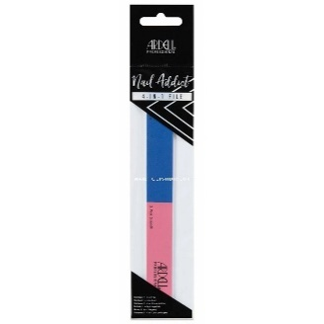 | 63854 | Ardell Nail Addict 4-in-1 Grinder | 6,618 | https://www.nailpolishdirect.co.uk/nail-addict-nail-accessories-4-in-1-file-63854-p38114/s47405?utm_source=google&utm_medium=cpc&utm_term=ardell-nail-addict-nail-accessories-4-in-1-file-63854-63854&utm_campaign=product%2Blisting%2Bads&cid=GBP&glCurrency=GBP&glCountry=GB&gad_source=1&gclid=CjwKCAiAivGuBhBEEiwAWiFmYQpqGmpuQV9z4IIqY-LzZNzqqxwiblDqv3xm1qrZe5JFHO6cQhh_TRoCNLAQAvD_BwE
 | 63853 | Ardell Nail Addict Acrylic File (2 PACK) | 6,308 | https://www.ardellshop.com/ardell-nail-addict-acrylic-file.html
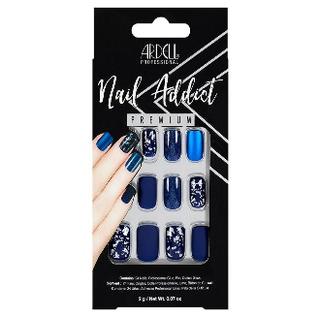 | 75891 | Ardell Nail Addict Matte Blue | 10,615 | https://www.ardellshop.com/nail-addict-premium-artificial-nail-set-matte-blue.html
 | 63861 | Ardell Nail Addict French Glitter | 10,335 | https://www.ardellshop.com/ardell-nail-addict-french-glitter.html
 | 63821EU | Nail Addict Natural Oval | 12,126 | https://www.ardellshop.com/ardell-nail-addict-natural-oval-multipack.html
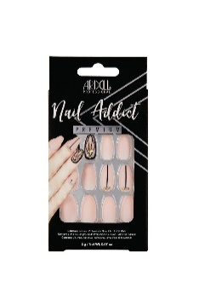 | 62112 | Ardell Nail Addict Blush Geometric Crystals | 7,524 | https://www.ardellshop.com/ardell-nail-addict-premium-artificial-nail-set-blush-geometric-crystals.html
 | 48710NP | Ardell Play Pen Kissing Games Red | 6,506 | https://www.ardellshop.com/ardell-play-pen-kissing-games.html
 | 63863 | Nail Addict Nude French | 3,429 | https://www.ardellshop.com/ardell-nail-addict-nude-french-html.html
 | 58643 | Eco Mani Nude | 0 | https://www.ardellshop.com/ardell-nail-addict-eco-mani-nude.html
 |  | Ardell Play Pen Romp in the Dark schwarz | 2,867 | https://falseeyelashes.co.uk/products/ardell-play-pen?variant=40691530236009?glCountry=GB&gad_source=1&gclid=CjwKCAiAopuvBhBCEiwAm8jaMcW-rzI_5o96YbYBl3FmIj7CedKzdxZlKhtxn5qYnQTqmpJL4YYwaBoCl1EQAvD_BwE
 |  | 3D Faux Mink 857 | 2080
 |  | SINGLE MAGNETIC LASH - 110 | 1472
 |  | 63810 Wispies Black | 1434
 |  | Studio Effects 232 | 1328
 |  | Demi Wispies Black NB | 1298
 |  | Remy 776 | 1281
 |  | Magnetic Individuals Short | 1158
 |  | Magnetic Individuals Medium | 1080
 |  | Magnetic MegaHold Lash - Demi Wispies | 980
 |  | Faux Mink Demi Wispies | 853
 |  | Nail Addict Nude Jeweled | 812
 |  | Double Individuals Medium (Knot Free) NB | 768
 |  | 110 Demi Black NB | 646
 |  | Seche Base - Basecoat boxed | 550
 |  |  | 177,190

